Project
Project Objective: Create an Interactive Dashboard for Coffee Sales

Hello everyone, I am excited to share my comprehensive analysis of coffee sales across UK, US and Ireland from Jan'19 - Aug'22.
This market analysis delves deep into trends and growth patterns and key players shaping the coffee landscape in the above regions. Through meticulous research and data analysis, I have created this report with actionable insights.
To further enhance your understanding, I have also created an interactive dashboard visually representing the data allowing to effortlessly explore sales figure and profits on coffee sales with just a few clicks.
I have collected this practice dataset of 1000 orders from Mo Chen's Github Repository for Coffee Sales:
About the dataset: The dataset consists of mainly three tables- Orders containing 1000 records, Products and Customers. The Orders table is further classified into Orders and Orderline to show the Entity Relationship diagram:
Entity Relationship Diagram:

Commands like XLOOKUP, INDEX MATCH, MULTIPLE IF STATEMENTS, FIND AND REPLACE, Remove duplicates, basic formatting and Arithmetic Functions were used to create the final table to work on analysis and visualisation.

The first 20 records as per the main table is shown below for reference:

The below dashboard was prepared using Pivot Tables and Pivot Charts along with timeline and slicer for easy filtering:
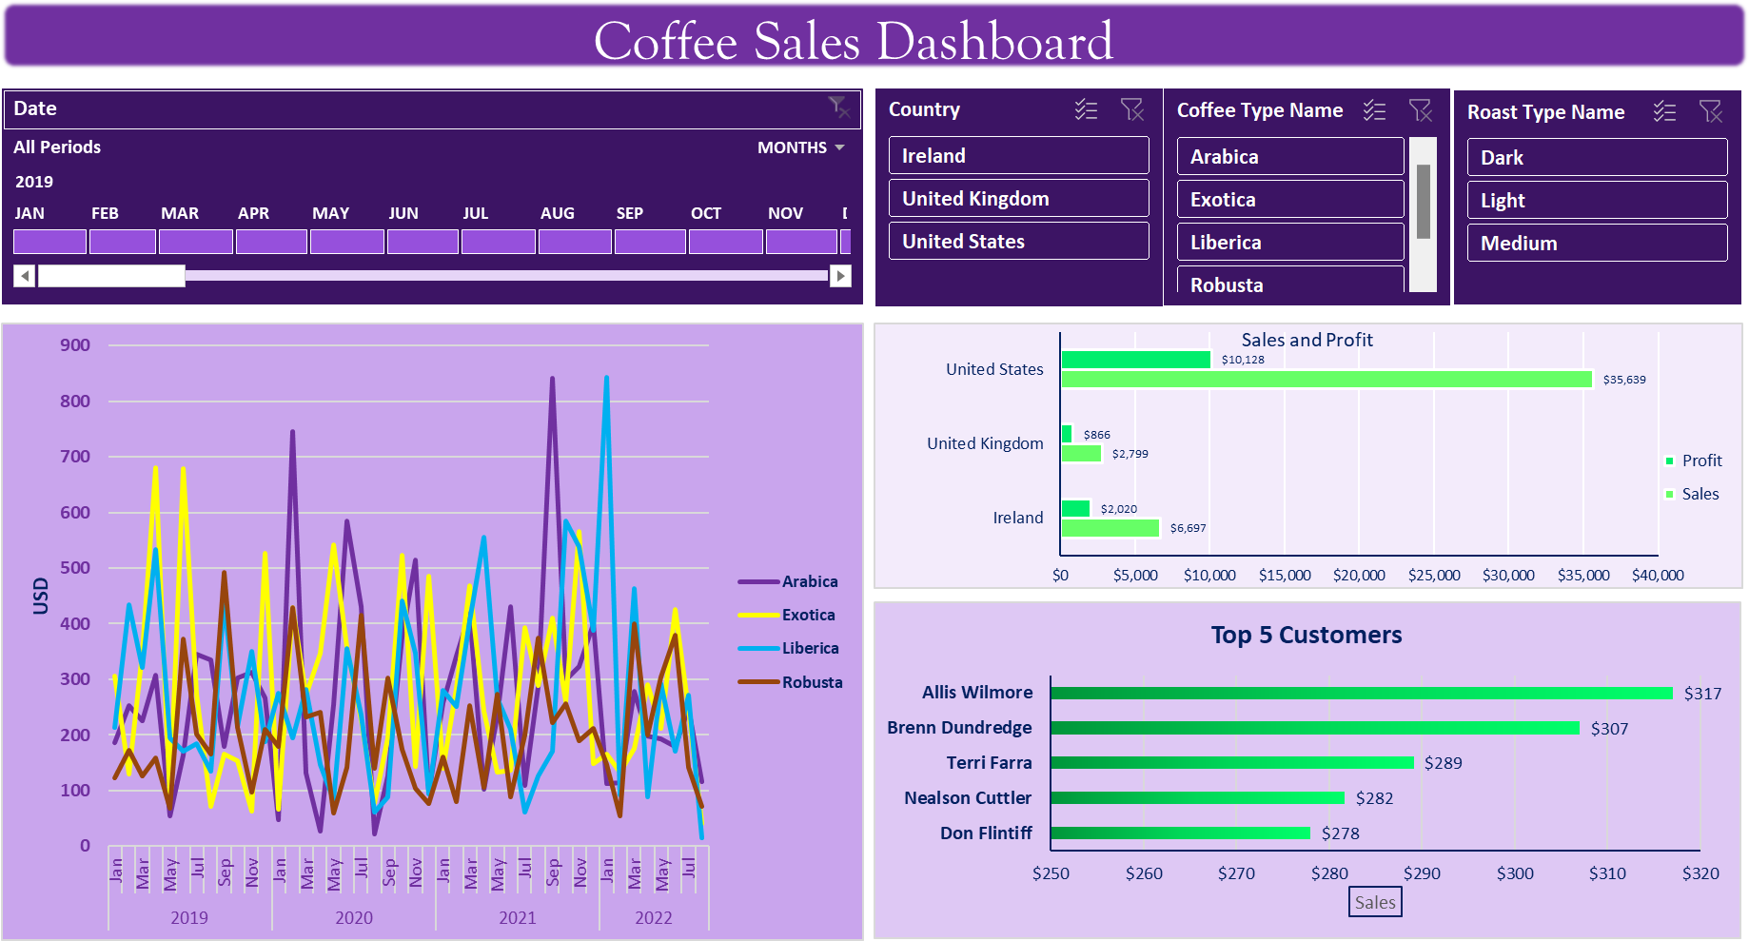

The key insights obtained from this project:

1. United States leads with the highest sales with a profit percentage of 39.6% while whereas UK records least revenue but with a profit percentage of 44.8%.

Profit Percentage = Profit earned/(Sales revenue - Profit)*100

2. 2021 records the highest sales having a value of 13766 USD.
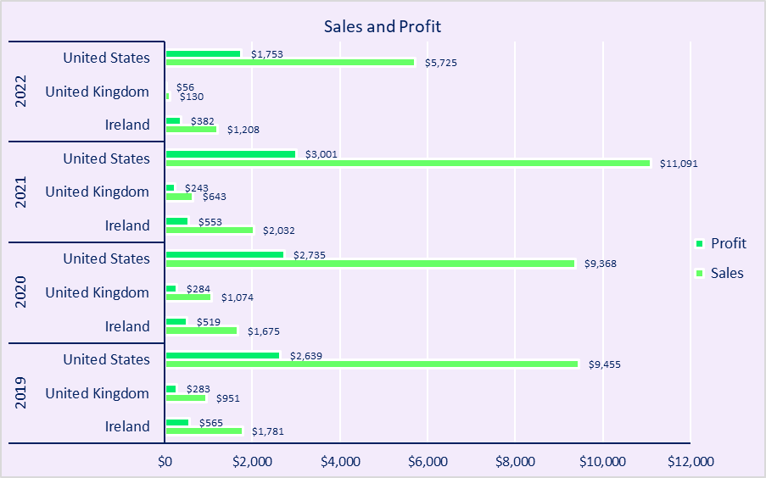

3. Coffee type Robusta contributes only 19.95% of sales revenue till date and considering other parameters we can say that it's the cheapest coffee available.

The dashboard can be a powerful tool for coffee businesses to make data-driven decisions, investors to evaluate market opportunities. It translates complex data into an accessible and user-friendly format, empowering users to make informed decisions and navigate the dynamic coffee market with confidence.

Dashboard
Coffee Sales Dashboard

 | Arabica | Exotica | Liberica | Robusta
Jan | 187 | 306 | 213 | 123
Feb | 252 | 129 | 434 | 172
Mar | 225 | 349 | 321 | 126
Apr | 307 | 681 | 534 | 159
May | 54 | 83 | 194 | 68
Jun | 163 | 678 | 171 | 372
Jul | 345 | 274 | 184 | 201
Aug | 335 | 71 | 134 | 166
Sep | 179 | 166 | 439 | 493
Oct | 302 | 154 | 216 | 214
Nov | 313 | 63 | 351 | 96
Dec | 266 | 527 | 187 | 211
Jan | 47 | 66 | 275 | 179
Feb | 745 | 429 | 194 | 430
Mar | 130 | 271 | 281 | 232
Apr | 27 | 347 | 148 | 240
May | 255 | 542 | 83 | 59
Jun | 585 | 357 | 355 | 141
Jul | 431 | 227 | 236 | 415
Aug | 23 | 78 | 61 | 140
Sep | 126 | 195 | 89 | 303
Oct | 376 | 523 | 441 | 174
Nov | 515 | 143 | 347 | 104
Dec | 96 | 485 | 94 | 77
Jan | 258 | 140 | 280 | 160
Feb | 342 | 284 | 252 | 81
Mar | 418 | 468 | 405 | 253
Apr | 102 | 242 | 555 | 106
May | 235 | 133 | 267 | 273
Jun | 430 | 136 | 210 | 88
Jul | 109 | 394 | 61 | 199
Aug | 288 | 289 | 126 | 374
Sep | 841 | 410 | 171 | 221
Oct | 299 | 260 | 585 | 256
Nov | 323 | 566 | 538 | 189
Dec | 399 | 148 | 388 | 212
Jan | 113 | 166 | 844 | 147
Feb | 115 | 134 | 91 | 54
Mar | 278 | 175 | 463 | 400
Apr | 198 | 290 | 89 | 200
May | 193 | 212 | 292 | 304
Jun | 180 | 426 | 170 | 379
Jul | 247 | 247 | 271 | 142
Aug | 116 | 41 | 16 | 71
Sales and Profit
 | Sales | Profit
Ireland | $6,697 | $2,020
United Kingdom | $2,799 | $866
United States | $35,639 | $10,128

Top 5 Customers
 | Total
Don Flintiff | $278
Nealson Cuttler | $282
Terri Farra | $289
Brenn Dundredge | $307
Allis Wilmore | $317

Country vs Sales
Country | Sales | % of Profit on CP
United Kingdom | $2,799 | 0.44811403988
Ireland | $6,697 | 0.43198169028
United States | $35,639 | 0.39698175863

Year-wise Profit and Sales

Top 5 Customers
Top 5 Customers
Customer Name | Sum of Sales
Don Flintiff | $278
Nealson Cuttler | $282
Terri Farra | $289
Brenn Dundredge | $307
Allis Wilmore | $317

year vs sales
Sales |  | Coffee Type Name
Years (Date) | Months (Date) | Arabica | Exotica | Liberica | Robusta
2019 | Jan | 187 | 306 | 213 | 123
 | Feb | 252 | 129 | 434 | 172
 | Mar | 225 | 349 | 321 | 126
 | Apr | 307 | 681 | 534 | 159
 | May | 54 | 83 | 194 | 68
 | Jun | 163 | 678 | 171 | 372
 | Jul | 345 | 274 | 184 | 201
 | Aug | 335 | 71 | 134 | 166
 | Sep | 179 | 166 | 439 | 493
 | Oct | 302 | 154 | 216 | 214
 | Nov | 313 | 63 | 351 | 96
 | Dec | 266 | 527 | 187 | 211
2020 | Jan | 47 | 66 | 275 | 179
 | Feb | 745 | 429 | 194 | 430
 | Mar | 130 | 271 | 281 | 232
 | Apr | 27 | 347 | 148 | 240
 | May | 255 | 542 | 83 | 59
 | Jun | 585 | 357 | 355 | 141
 | Jul | 431 | 227 | 236 | 415
 | Aug | 23 | 78 | 61 | 140
 | Sep | 126 | 195 | 89 | 303
 | Oct | 376 | 523 | 441 | 174
 | Nov | 515 | 143 | 347 | 104
 | Dec | 96 | 485 | 94 | 77
2021 | Jan | 258 | 140 | 280 | 160
 | Feb | 342 | 284 | 252 | 81
 | Mar | 418 | 468 | 405 | 253
 | Apr | 102 | 242 | 555 | 106
 | May | 235 | 133 | 267 | 273
 | Jun | 430 | 136 | 210 | 88
 | Jul | 109 | 394 | 61 | 199
 | Aug | 288 | 289 | 126 | 374
 | Sep | 841 | 410 | 171 | 221
 | Oct | 299 | 260 | 585 | 256
 | Nov | 323 | 566 | 538 | 189
 | Dec | 399 | 148 | 388 | 212
2022 | Jan | 113 | 166 | 844 | 147
 | Feb | 115 | 134 | 91 | 54
 | Mar | 278 | 175 | 463 | 400
 | Apr | 198 | 290 | 89 | 200
 | May | 193 | 212 | 292 | 304
 | Jun | 180 | 426 | 170 | 379
 | Jul | 247 | 247 | 271 | 142
 | Aug | 116 | 41 | 16 | 71

sales profit
Sales and Profit
Country | Sales | Profit
Ireland | $6,697 | $2,020
United Kingdom | $2,799 | $866
United States | $35,639 | $10,128

Country | % of Profit on CP
United Kingdom | 44.8%
Ireland | 43.2%
United States | 39.7%

ER Diagram
Entity Relationship Diagram

Customers |  | Orders |  | Orderline Item |  | Products
PK | Customer ID | PK | Order ID | PK/FK | Order ID | PK | Product ID
 | Customer Name |  | Date |  | Quantity |  | Coffee Type
 | Email | FK | Customer ID | PK/FK | Product ID |  | Roast Type
 | Phone Number |  |  |  |  |  | Size
 | Address Line 1 |  |  |  |  |  | Unit Price
 | City |  |  |  |  |  | Price per 100g
 | Country |  |  |  |  |  | Profit
 | Postcode
 | Loyalty Card

